M-score
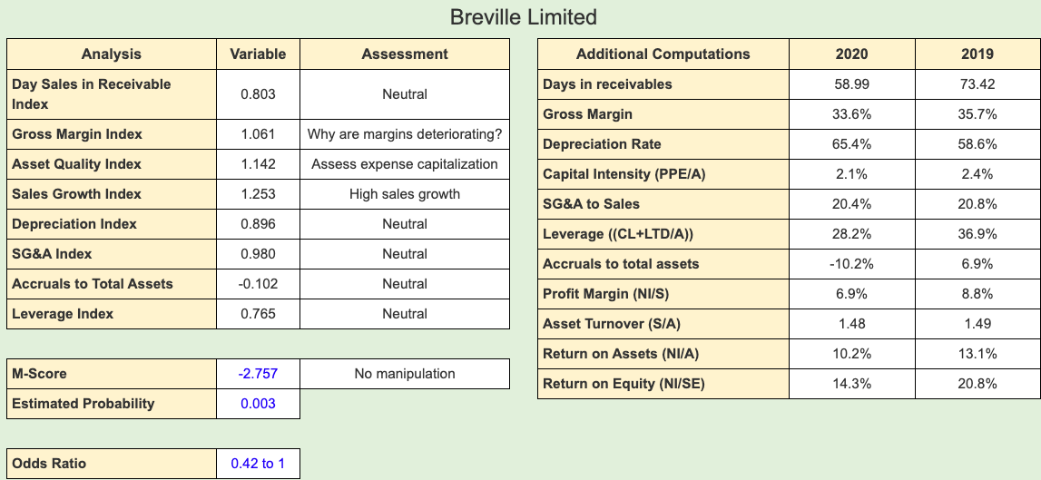
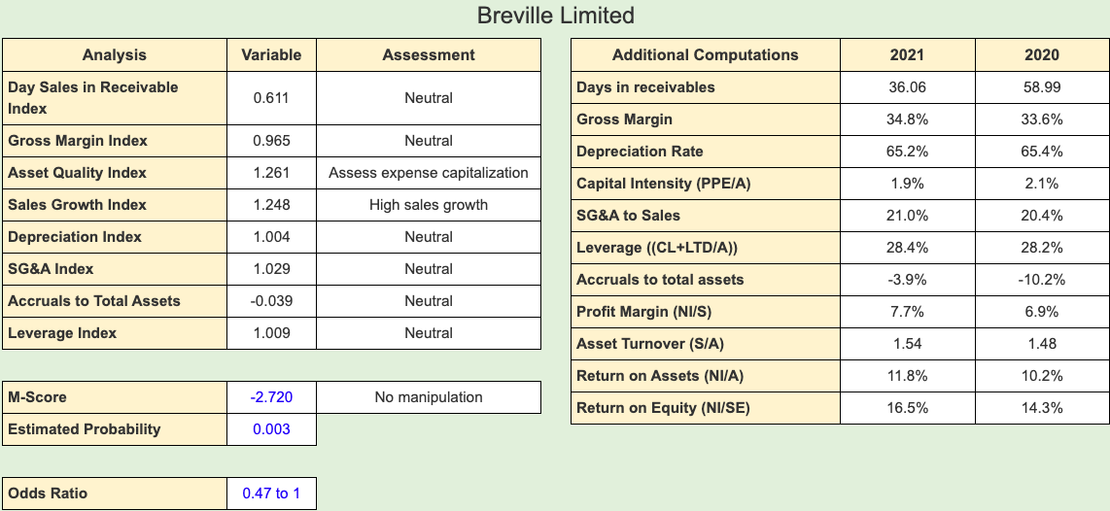
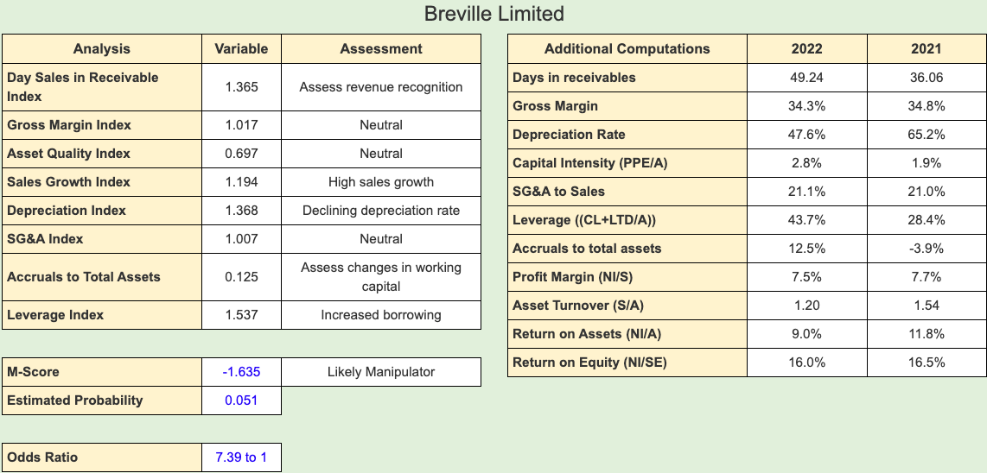
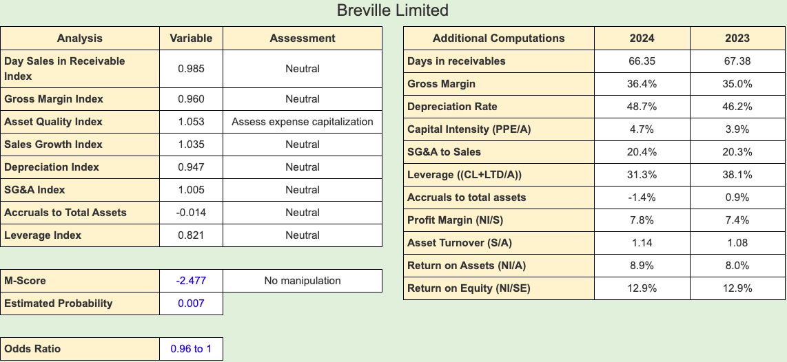
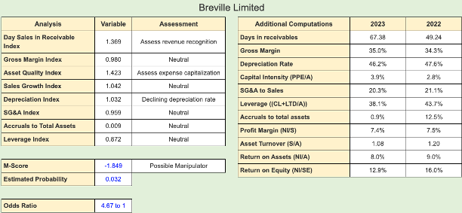
Year | M-Score
2020 | -2.757
2021 | -2.72
2022 | -1.635
2023 | -1.849
2024 | -2.477

Financial Analysis
Simple Dupont - Breville Limited
Breville Limited | 2022 | 2023 | Ratios | 2022 | 2023 |  | Companies | 2022 | 2023
Revenue | 1418 | 1479 | Profitability Ratio | 7.45% | 7.45% |  | Breville | 18.86% | 15.93%
Simple Dupont Comparison 2022-2023
Net Income | 106 | 110 | Asset Turnover Ratio | 1.45 | 1.16 |  | De'Longhi | 10.97% | 14.41%
Average 2y Total Assets | 975 | 1277 | Leverage Ratio | 1.74 | 1.85 | Average | Hamilton Beach | 22.28% | 18.57%
Average 2y Stockholder Equity | 560 | 692 | Simple Dupont ROE | 18.86% | 15.93% | 17.39%

Simple Dupont - De'Longhi
De'Longhi | 2022 | 2023 | Ratios | 2022 | 2023
Revenue | 5164 | 5029 | Profitability Ratio | 5.62% | 8.14%
Net Income | 290 | 409 | Asset Turnover Ratio | 0.84 | 0.84
Average 2y Total Assets | 6118 | 6021 | Leverage Ratio | 2.31 | 2.12 | Average
Average 2y Stockholder Equity | 2644 | 2840 | Simple Dupont ROE | 10.97% | 14.41% | 12.69%

Simple Dupont - Hamilton Beach Ltd
Hamilton Beach Ltd | 2022 | 2023 | Ratios | 2022 | 2023
Revenue | 970 | 947 | Profitability Ratio | 3.94% | 4.03%
Net Income | 38 | 38 | Asset Turnover Ratio | 1.66 | 1.62
Average 2y Total Assets | 584 | 586 | Leverage Ratio | 3.40 | 2.85 | Average
Average 2y Stockholder Equity | 172 | 206 | Simple Dupont ROE | 22.28% | 18.57% | 20.43%

 |  |  | Advanced Dupont - Breville Limited
 |  |  | Breville Limited | 2022 | 2023
 |  |  | RNOA | 16.70% | 11.61%
 |  |  | FLEV | 3.05% | 23.35%
 |  |  | NBC | -32.51% | -8.54%
 |  |  | Spread | 49.21% | 20.15%
 |  |  | Advanced Dupont ROE | 18.20% | 16.31%

